KOP
Tanggal WO | : 01 APRIL 2026
No. WO | : 01/WO/IV/26
Proyek | : ASTERA ( MOCKUP TERPASANG )
Jenis/Warna | : SF-100 / YB1N
Type | : A2 STD
Tangga | : Kanan
Nama Departemen | : RAT-SBU-26002

ITEM/UNIT | WARNA | QTY | KETERANGAN
P1-DSR_A2 STD | YB1N | 1
J1-DSR_A2 STD | YB1N | 1
J2-DSR_A2 STD | YB1N | 1
J2-01_A2 STD | YB1N | 2
TOTAL |  | 5
KEBUTUHAN MATERIAL
KODE | PANJANG | QTY | KETERANGAN
9K-86001 | 6000 | 2 |  | 0.948 | 11.376
9K-86007 | 6000 | 1 |  | 0.458 | 2.748
9K-86005 | 6000 | 1 |  | 0.854 | 5.124
9K-86009 | 6000 | 1 |  | 0.257 | 1.542
K-85701 | 5000 | 1 |  | 0.921 | 4.605
K-85702 | 5000 | 1 |  | 0.979 | 4.895
K-85748 | 5000 | 1 |  | 0.979 | 4.895
K-94389 | 6000 | 1 |  | 1.166 | 6.996
K-94390 | 6000 | 1 |  | 1.358 | 8.148
9K-86072 | 6000 | 3 |  | 0.929 | 16.722
9K-86073 | 6000 | 1 |  | 0.404 | 2.424
K-75696 | 6000 | 5 |  | 0.191 | 5.73
9K-86061 | 6000 | 5 |  | 0.601 | 18.03
9K-86063 | 6000 | 2 |  | 0.265 | 3.18
9K-93034 | 6000 | 2 |  | 0.474 | 5.688
KEBUTUHAN AKSESORIS DAN PART
KODE | Satuan | QTY | KETERANGAN |  | 102.103
2K-22464 | mm | 12460
9K-11072 | Pcs | 6
9K-11074 | Pcs | 97
9K-30171 | Pcs | 97
CH 428 R/H BK DKS | Pcs | 2
CYL DC DL60MM SN DKS | Set | 1
DP 003 SSS DKS | Set | 1
DS 886 SN DKS | Set | 1
ESCN 855 SSS DKS | Set | 1
ESS DL 4x3x3 2BB SSS DKS | Set | 3
FB 508 NA DKS | Set | 1
FISHER S6 | Pcs | 124
Foam Kusen - Dinding | mm | 82000
FS S/S 24" DKS | Psg | 2
Gasket New Mould - 002 (Karet Tatapan Jendela) Black | mm | 9620
Gasket Sirip SF Black | mm | 9620
HOLE CAP | Pcs | 27
MTS RL DL 8485 SSS DKS | Set | 1
PH DL446 32x600x400 SSS DKS | Set | 2
SCREW 8X3 | Pcs | 27
SCREW 8X3 JF | Pcs | 97
SCREW 8X3/4 P | Pcs | 8
SCREW 4X12 JF | Pcs | 24
SCREW 4X12 JP | Pcs | 12
SCREW 6 X 1/2 JP | Pcs | 16
SCREW 8 X 3/4 JP | Pcs | 60
Sealant Kusen - Dinding | mm | 82000
SOSIS
Sealant Kusen - Kaca | mm | 145680 | 10 | 6118.56
SEALER PAD | Pcs | 40 |  | 1.68

P1-DSR
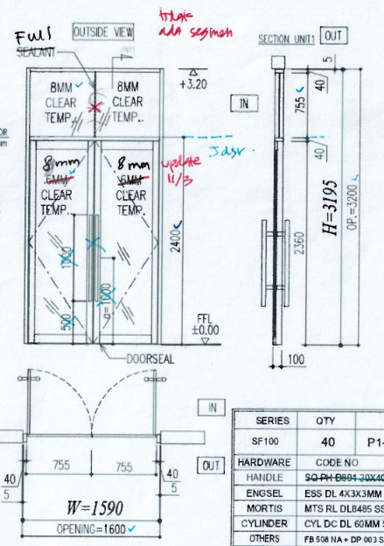

 | P1-DSR_A2 STD | YB1N
 |  | 1 | Unit

 | HEIGTH | 3195
 | Rong Kusen Atas | 755
 | Rong Kusen Bawah | 2360
 | Daun | 2350
 | Rong Daun | 2150

 | WIDTH | 1590
 | Rong Kusen | 1510
 | Daun | 749
 | Rong Daun | 585
IN

OUT
 | Tinggi Anak Kunci :

 | KODE | PJG | SAT | QTY | KETERANGAN | BERAT | TOTAL
I. | Profile |  |  |  |  |  | 21.885
V | 9K-86001 | 3195 | mm | 2 | TIANG / AMBANG M 100MM (4 INCH) | 0.948 | 6.058
H | 9K-86001 | 1509 | mm | 1 | TIANG / AMBANG M 100MM (4 INCH) | 0.948 | 1.431
H | 9K-86007 | 1509 | mm | 1 | TUTUP KACA MATI 4 INCH (SF100) | 0.458 | 0.691
H | 9K-86005 | 1509 | mm | 1 | AMBANG JIP 4 INCH(SF100) SCREW | 0.854 | 1.289
H | 9K-86009 | 1509 | mm | 1 | CEKLOKAN JIP 4 INCH (SF100) | 0.257 | 0.388
V | K-85701 | 2350 | mm | 2 | YF-TIANG ENGSEL 8CM SHD | 0.921 | 4.329
V | K-85702 | 2350 | mm | 1 | YF-TIANG KAIT 8CMSHD POLOS | 0.979 | 2.301
V | K-85748 | 2350 | mm | 1 | Tiang kait + Karet | 0.979 | 2.301
H | K-94389 | 611 | mm | 1 | YF-AMBANG ATAS SHD | 1.166 | 0.712
H | K-94390 | 611 | mm | 1 | YF-AMBANG BAWAH SHD | 1.358 | 0.830
H | K-94389 | 617 | mm | 1 | YF-AMBANG ATAS SHD | 1.166 | 0.719
H | K-94390 | 617 | mm | 1 | YF-AMBANG BAWAH SHD | 1.358 | 0.838

II. | Hardwares
 | ESS DL 4x3x3 2BB SSS DKS |  | Set | 3
 | MTS RL DL 8485 SSS DKS |  | Set | 1
 | PH DL446 32x600x400 SSS DKS |  | Set | 2
 | CYL DC DL60MM SN DKS |  | Set | 1
 | ESCN 855 SSS DKS |  | Set | 1
 | DS 886 SN DKS |  | Set | 1
 | FB 508 NA DKS |  | Set | 1
 | DP 003 SSS DKS |  | Set | 1

III. | Parts
 | SEALER PAD |  | Pcs | 4 | SEALER PAD STANDART
 | SCREW 8X3/4 P |  | Pcs | 8 | SCREW KUSEN
 | SCREW 8X3 |  | Pcs | 27 | SCREW TEMBOK
 | FISHER S6 |  | Pcs | 27 | FISHER S6 SCREW TEMBOK
 | HOLE CAP |  | Pcs | 27 | TUTUP SCRUP
 | Foam Kusen - Dinding | 15960 | mm | - | Backer Road 8mm
 | SCREW 4X12 JF |  | Pcs | 24 | SCREW ENGSEL TO KUSEN
 | SCREW 4X12 JP |  | Pcs | 12 | SCREW KUSEN TO BLACKPLATE

IV. | Gasket
 | 2K-22464 | 12460 | mm | - | KARET TATAPAN JENDELA&PINTU FILLITY

Kebutuhan sealant
ml
V. | Sealant
 | Sealant Kusen - Dinding | 15960 | mm | - | 670 | ml | 1970
 | Sealant Kusen - Kaca | 30940 | mm | - | 1299 | ml

VI. | Glass
 | P1-DSR_A2 STD_DR |  |  | 2 | 597 x 2162 | FLT 8 |  | DR
 | P1-DSR_A2 STD_FIX |  |  | 1 | 1522 x 767 | FLT 8 |  | FIX

J1-DSR
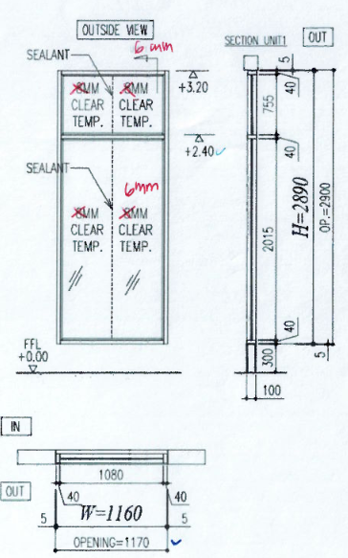
 | J1-DSR_A2 STD | YB1N
 |  | 1 | Unit

 | HEIGTH | 2890
 | Rong Kusen Atas | 755
 | Rong Kusen Bawah | 2015

 | WIDTH | 1160
 | Rong Kusen | 1080

No. | KODE | PJG | SAT | QTY | KETERANGAN | BERAT | TOTAL
I. | Profile |  |  |  |  |  | 10.668
V | 9K-86072 | 2890 | mm | 2 | TIANG/AMBANG JENDELA 4 INCH (SF100) | 0.929 | 5.370
H | 9K-86072 | 1079 | mm | 3 | TIANG/AMBANG JENDELA 4 INCH (SF100) | 0.929 | 3.007
H | 9K-86073 | 1079 | mm | 1 | TUTUP + TATAPAN JENDELA 4 INCH (SF100) | 0.404 | 0.436
V | K-75696 | 1979 | mm | 2 | BEAD CASEMENT | 0.191 | 0.756
V | K-75696 | 719 | mm | 2 | BEAD CASEMENT | 0.191 | 0.275
H | K-75696 | 1079 | mm | 4 | BEAD CASEMENT | 0.191 | 0.824

II. | Hardwares

III. | Parts
 | SEALER PAD |  | Pcs | 4 | SEALER PAD STANDART
 | SEALER PAD |  | Pcs | 2 | SEALER PAD TENGAH
 | 9K-30171 |  | Pcs | 24 | TUTUP SCRUP
 | SCREW 8X3 JF |  | Pcs | 24 | SCREW TEMBOK
 | SCREW 8 X 3/4 JP |  | Pcs | 6 | SCREW KUSEN
 | FISHER S6 |  | Pcs | 24 | FISHER S6 SCREW TEMBOK
 | SCREW 6 X 1/2 JP |  | Pcs | 0 | SCREW CASEMENT
 | 9K-11074 |  | Pcs | 24 | Shim Receiver ( Atas & samping )
 | 9K-11072 |  | Pcs | 1 | Shim Receiver ( bawah )
 | 9K-20602 |  | Pcs | 0 | Setting Block ( ganjel kaca harus terpasang di workshop )
 | 2K-30630 |  | Set | 0 | Pulling Block
 | Foam Kusen - Dinding | 16200 | mm | - | Backer Road 8mm

IV. | Gasket

Kebutuhan sealant
ml
V. | Sealant
 | Sealant Kusen - Dinding | 16200 | mm | - | 680 | ml | 1677
 | Sealant Kusen - Kaca | 23730 | mm | - | 997 | ml

VI. | Glass
 | J1-DSR_A2 STD_FIX.A |  |  | 2 | 525 x 733 | FLT 6 |  | FIX.A
 | J1-DSR_A2 STD_FIX.B |  |  | 2 | 525 x 1993 | FLT 6 |  | FIX.B

J2-DSR
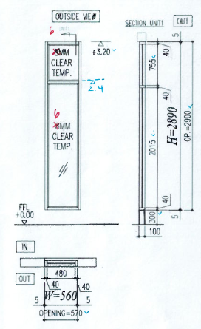
 | J2-DSR_A2 STD | YB1N
 |  | 1 | Unit

 | HEIGTH | 2890
 | Rong Kusen Atas | 755
 | Rong Kusen Bawah | 2015

 | WIDTH | 560
 | Rong Kusen | 480

No. | KODE | PJG | SAT | QTY | KETERANGAN | BERAT | TOTAL
I. | Profile |  |  |  |  |  | 8.295
V | 9K-86072 | 2890 | mm | 2 | TIANG/AMBANG JENDELA 4 INCH (SF100) | 0.929 | 5.370
H | 9K-86072 | 479 | mm | 3 | TIANG/AMBANG JENDELA 4 INCH (SF100) | 0.929 | 1.335
H | 9K-86073 | 479 | mm | 1 | TUTUP + TATAPAN JENDELA 4 INCH (SF100) | 0.404 | 0.194
V | K-75696 | 1979 | mm | 2 | BEAD CASEMENT | 0.191 | 0.756
V | K-75696 | 719 | mm | 2 | BEAD CASEMENT | 0.191 | 0.275
H | K-75696 | 479 | mm | 4 | BEAD CASEMENT | 0.191 | 0.366

II. | Hardwares

III. | Parts
 | SEALER PAD |  | Pcs | 4 | SEALER PAD STANDART
 | SEALER PAD |  | Pcs | 2 | SEALER PAD TENGAH
 | 9K-30171 |  | Pcs | 21 | TUTUP SCRUP
 | SCREW 8X3 JF |  | Pcs | 21 | SCREW TEMBOK
 | SCREW 8 X 3/4 JP |  | Pcs | 6 | SCREW KUSEN
 | FISHER S6 |  | Pcs | 21 | FISHER S6 SCREW TEMBOK
 | SCREW 6 X 1/2 JP |  | Pcs | 0 | SCREW CASEMENT
 | 9K-11074 |  | Pcs | 21 | Shim Receiver ( Atas & samping )
 | 9K-11072 |  | Pcs | 1 | Shim Receiver ( bawah )
 | 9K-20602 |  | Pcs | 0 | Setting Block ( ganjel kaca harus terpasang di workshop )
 | 2K-30630 |  | Set | 0 | Pulling Block
 | Foam Kusen - Dinding | 13800 | mm | - | Backer Road 8mm

IV. | Gasket

Kebutuhan sealant
ml
V. | Sealant
 | Sealant Kusen - Dinding | 13800 | mm | - | 580 | ml | 1375
 | Sealant Kusen - Kaca | 18930 | mm | - | 795 | ml

VI. | Glass
 | J2-DSR_A2 STD_FIX.A |  |  | 1 | 458 x 733 | FLT 6 |  | FIX.A
 | J2-DSR_A2 STD_FIX.B |  |  | 1 | 458 x 1993 | FLT 6 |  | FIX.B

J2-01
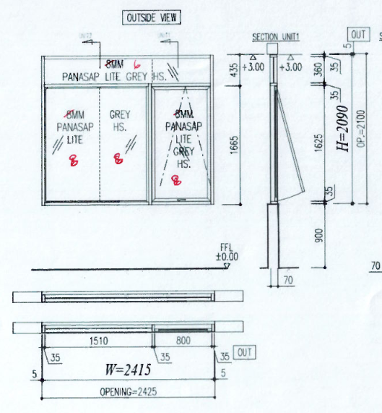
 | J2-01_A2 STD | YB1N
 |  | 2 | Unit

 | HEIGTH | 2090
 | Rong Kusen Atas | 360
 | Rong Kusen Bawah | 1625
 | Daun | 1615
 | Rong Daun | 1527

 | WIDTH | 2415
 | Rong Kusen Fix | 1510
 | Rong Kusen TH | 800
 | Daun | 790
 | Rong Daun | 702

No. | KODE | PJG | SAT | QTY | KETERANGAN | BERAT | TOTAL
I. | Profile |  |  |  |  |  | 24.480
V | 9K-86061 | 2090 | mm | 6 | Open Back Tanduk 3 Inch with Screw | 0.601 | 7.537
V | 9K-86063 | 2090 | mm | 2 | Tutup Tanduk 3 inch | 0.265 | 1.108
H | 9K-86061 | 1509 | mm | 6 | Open Back Tanduk 3 Inch with Screw | 0.601 | 5.441
H | 9K-86063 | 1509 | mm | 2 | Tutup Tanduk 3 inch | 0.265 | 0.800
H | 9K-86061 | 799 | mm | 6 | Open Back Tanduk 3 Inch with Screw | 0.601 | 2.881
H | 9K-86063 | 799 | mm | 2 | Tutup Tanduk 3 inch | 0.265 | 0.423
V | 9K-93034 | 1615 | mm | 4 | FRAME CASEMENT JENDELA ALUMCO 44 mm | 0.474 | 3.062
V | K-75696 | 1527 | mm | 4 | BEAD CASEMENT | 0.191 | 1.167
H | 9K-93034 | 790 | mm | 4 | FRAME CASEMENT JENDELA ALUMCO 44 mm | 0.474 | 1.498
H | K-75696 | 738 | mm | 4 | BEAD CASEMENT | 0.191 | 0.564

II. | Hardwares
 | CH 428 R/H BK DKS |  | Pcs | 2 | Rambuncis CH 428 R/H BK DKS
 | FS S/S 24" DKS |  | Psg | 2 | Friction Stay FS S/S 24" DKS

III. | Parts
 | SEALER PAD |  | Pcs | 16 | SEALER PAD STANDART
 | SEALER PAD |  | Pcs | 8 | SEALER PAD TENGAH
 | 9K-30171 |  | Pcs | 52 | TUTUP SCRUP
 | SCREW 8X3 JF |  | Pcs | 52 | SCREW TEMBOK
 | FISHER S6 |  | Pcs | 52 | FISHER S6 SCREW TEMBOK
 | SCREW 6 X 1/2 JP |  | Pcs | 16 | SCREW CASEMENT
 | SCREW 8 X 3/4 JP |  | Pcs | 48 | SCREW KUSEN
 | 9K-11074 |  | Pcs | 52 | Shim Receiver ( samping )
 | 9K-11072 |  | Pcs | 4 | Shim Receiver ( bawah )
 | Foam Kusen - Dinding | 36040 | mm | - | Backer Road 8mm

IV. | Gasket
 | Gasket Sirip SF Black | 9620 | mm | -
 | Gasket New Mould - 002 (Karet Tatapan Jendela) Black | 9620 | mm | -

Kebutuhan sealant
ml
V. | Sealant
 | Sealant Kusen - Dinding | 36040 | mm | - | 1514 | ml | 4541
 | Sealant Kusen - Kaca | 72080 | mm | - | 3027 | ml

VI. | Glass
 | J2-01_A2 STD_TH |  |  | 2 | 714 x 1539 | LGHS 8 |  | TH
 | J2-01_A2 STD_FIX.A1 |  |  | 2 | 778 x 338 | LGHS 6 |  | FIX.A1
 | J2-01_A2 STD_FIX.A2 |  |  | 2 | 1488 x 338 | LGHS 6 |  | FIX.A2
 | J2-01_A2 STD_FIX.B |  |  | 4 | 739 x 1601 | LGHS 8 |  | FIX.B

